Due Diligence Form
Form Description
1. The purpose of this form is to capture the due diligence checks conducted by client
2. Currently there are only three data sources for this form - Manual entry, Customer Application form and Due Diligence Form Data Master. Later we will be using a web-crawler to populate the sentiment analysis section of form
3. This will be a flexible form where the labels of the fields in the form will be populated from the Due Diligence Data Master
4. The Due Diligence Form Data Master will be built in the same way as Balance Sheet Inputs Master. It will allow user control in adding/editing/deleting fields

UI Description: As given below
1. The descriptions and mapping for each section has been marked in yellow color
2. The labels displayed in the fields in green color will be picked up from Due Diligence Data Master- 'Verification Checks' & 'Defaulter Checks' for the Due Diligence form

 |  |  |  |  |  | This section wont be included in Phase 1
Verifications as per policy (This will be collapsable section and in form a grid)
First column that will show following labels, these will come from 'Verification Checks' section of the Due Diligence Data Master | Second column: This will be a drop down value to choose from positive, moderate and negative | This column will be a text area and will be editable |  |  | Sentiment Analysis (Will be added later but we will provide section for this) |  |  | Recent Events (Will be added later but we will provide section for this)
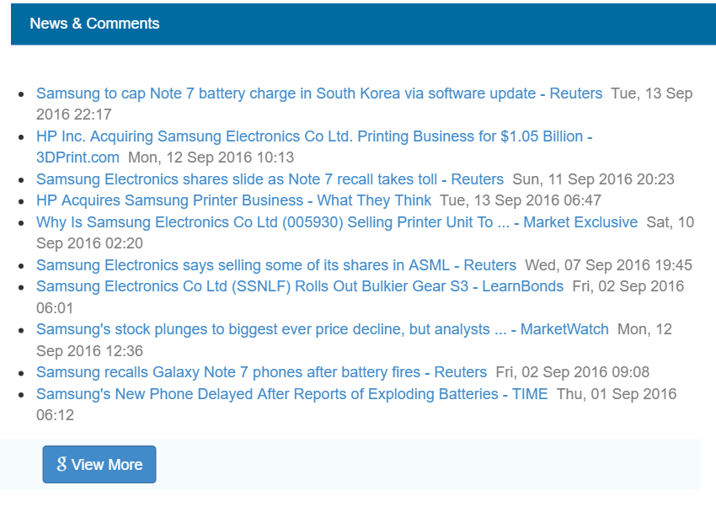
Check Particulars | Result | Mitigants in Case of Negative Result
BIFR HISTORY | POSITIVE
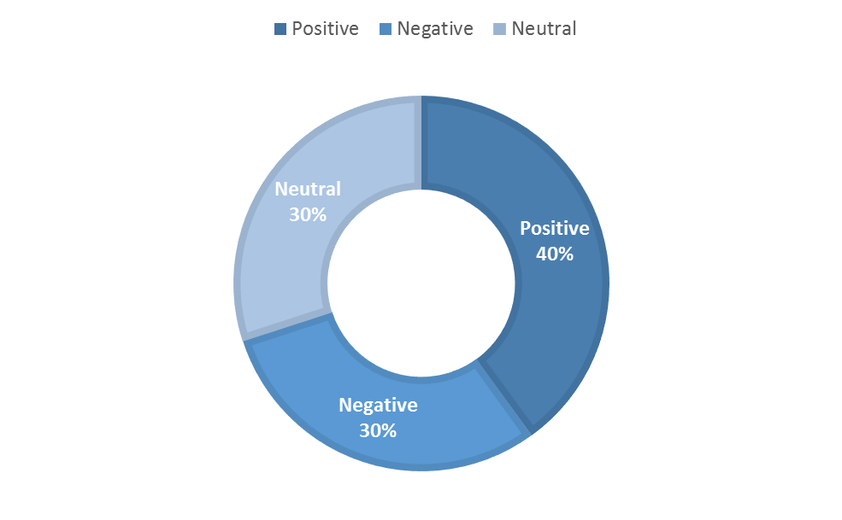
CORPORATE DEBT RESTRUCTURING HISTORY | POSITIVE
LEGAL HISTORY OF COMPANY AND PROMOTERS | POSITIVE
CIBIL REPORT | POSITIVE |  |  |  |  |  | Button to expand view for recent events for the borrower from web
ROC SEARCH IN CASE COMPANY | POSITIVE
DIFFERENT DESKTOP SEARCH (GOOGLE SEARCH, WATCHOUT INVESTOR LIST) | POSITIVE

Appearance in Defaulter List (This will be collapsable section and in form a grid)
Labels in the first column will be populated from 'Defaulter Checks' section of the Due Diligence Data Master | Second column: this will be a drop down value to choose from yes/no/neutral | Will be manually entered | Enter manually the amount defaulted in textbox | Value to be chosen from drop-down (Clear/Unclear)
SOURCE | APPLICABLE | BANK NAME | AMOUNT (IN CR.) | CURRENT STATUS
CIBIL | NO
EQUIFAX | NO
HIGH MARK | NO
EXPERIAN | NO
RBI DEFAULTER LIST | NO

Promoter/Director/Guarantor Background (This will be collapsable section and in form a grid)
User will have functionality to pick the name from a drop-down list having names of all the promoters / directors / guarantors mapped from the customer application form. "Add more" option will be provided to add new rows in grid. Refer to Management & Promoter Details Section in Account Details form to get an idea | Description (will be manual entry)
Name | Red Flags
Vijay Govindan

Sentiment Analysis
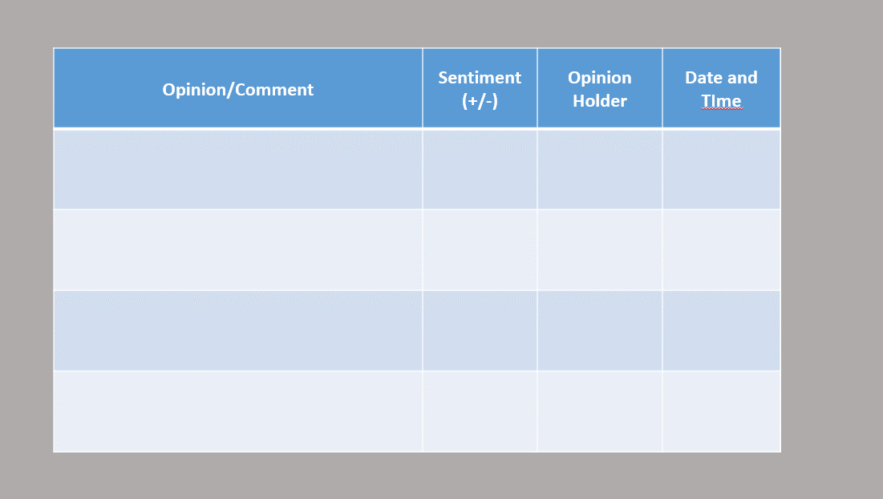
Components of Sentiment Analysis
Target Object | Sentiment Analysis Pop-Up
Feature of the Object
Sentiment Value of the Opinion
Opinion Holder
Time when the opinion is expressed

